ECC_IBP_PRODUCT_02_CA
 | ECC_IBP_PRODUCT_02_CA History
 |  | Discussed with Susan. We do not need this HCI Dataflow for Canada. PRODUCT_01_CA serve purpose

 | R3C-150412 |Data flow ECC_IBP_PRODUCT_02_CA_PRODUCT02_M211|Reader ECC_IBP_PRODUCT_02_CA_R3_PRODUCT02_M211|Transform ECC_IBP_PRODUCT_02_CA_R3_PRODUCT02_M211__Driver
 | RFC CallReceive error <Function /SAPDS/ABAP_RUN: RFC_ABAP_MESSAGE- No more memory available to add rows to an interna[SAP NWRFC
 | 721][SAP Partner 750 ][PDF][FCPDF001][ZHCI_AGENT ][4103]>.

Hello Krishna,

Thanks for investigation.

Could you please compare ECC_IBP_PRODUCT_01_CA & ECC_IBP_PRODUCT_02_CA…?

ECC_IBP_PRODUCT_02_CA is failing from day one and ECC_IBP_PRODUCT_01_CA is working as expected and there were no complaint of missing any master data for ASR2.

If this is replication, we can get rid of this job or if we need to keep, please provide all details (target table, where used…etc.).

Please provide your feedback.

Regards,
Shailesh
From: Krishna [mailto:ksukumaran@intrigo.in]
Sent: Thursday, April 13, 2017 11:50 AM
To: Shailesh Patel <Shailesh.Patel@floridacrystals.com>; 'Sadanand Mohankumar' <smohankumar@intrigosys.com>
Subject: RE: HCI-IBP 7102 Migration Activity - Job Execution error..

Hello Shailesh,

I have removed the below transform from the ABAP Query and it is working now. I think this is some memory issue with ABAP.

Please check the task PRODUCT02 in the same project.

What the removed transform does is, it will only pick the OBJEK and ATWRT attributes from AUSP table which we can remove. But we have to make the change in the ABAP program also since this change is inside the ABAP Query.

Let me know your thoughts.

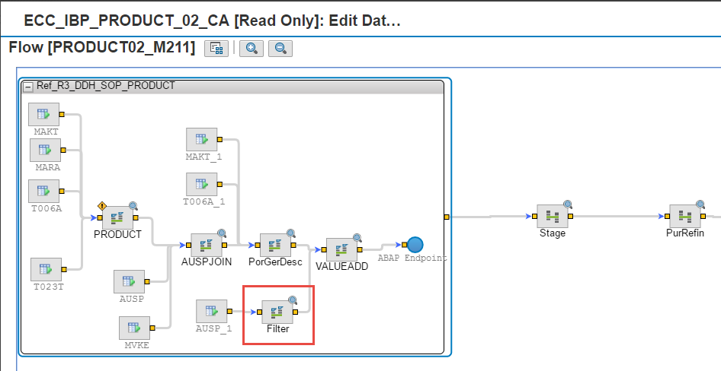

Thanks,

Krishnakumar S / Consultant
ksukumaran@intrigo.in / +91 95000 94151
Intrigo Systems India Pvt Ltd,
5F Kences Towers, # 1 Ramakrishna street, T Nagar, Chennai 600 017
+91 44 4212 3613
intrigosys.com

From: Shailesh Patel [mailto:Shailesh.Patel@floridacrystals.com]
Sent: 12 April 2017 11:49 PM
To: Krishna <ksukumaran@intrigo.in>; 'Sadanand Mohankumar' <smohankumar@intrigosys.com>
Subject: RE: HCI-IBP 7102 Migration Activity - Job Execution error..

Hello Krishna,

Thanks for your response.
Please update ASAP. We are on call now. They are asking us for an update and have no clue what to answer.

Sadanand, Thanks for following up.

Regards,
Shailesh

From: Krishna [mailto:ksukumaran@intrigo.in]
Sent: Wednesday, April 12, 2017 2:16 PM
To: Shailesh Patel <Shailesh.Patel@floridacrystals.com>; 'Sadanand Mohankumar' <smohankumar@intrigosys.com>
Subject: RE: HCI-IBP 7102 Migration Activity - Job Execution error..

Shailesh,

I am working on the Product02 job for Canada. I even created the job from scratch and still getting the same error. Need more time to figure this out. I will update you once I fix this error.

Thanks,

Krishnakumar S / Consultant
ksukumaran@intrigo.in / +91 95000 94151
Intrigo Systems India Pvt Ltd,
5F Kences Towers, # 1 Ramakrishna street, T Nagar, Chennai 600 017
+91 44 4212 3613
intrigosys.com

From: Shailesh Patel [mailto:Shailesh.Patel@floridacrystals.com]
Sent: 12 April 2017 09:14 PM
To: Krishna <ksukumaran@intrigo.in>; 'Sadanand Mohankumar' <smohankumar@intrigosys.com>
Subject: RE: HCI-IBP 7102 Migration Activity - Job Execution error..

Hello Krishna,

That’s what exactly I told you.

What about other ASR2 issue? Could you please provide an update..?

Regards,
Shailesh

From: Krishna [mailto:ksukumaran@intrigo.in]
Sent: Wednesday, April 12, 2017 11:16 AM
To: Shailesh Patel <Shailesh.Patel@floridacrystals.com>; 'Sadanand Mohankumar' <smohankumar@intrigosys.com>
Subject: RE: HCI-IBP 7102 Migration Activity - Job Execution error..

Shailesh,

Even the successful UOM Conversion job doesn’t show any logs in IBP.

@Sadanand, can you please try to load data manually to this table M1UOMCONVERSION and let us know.

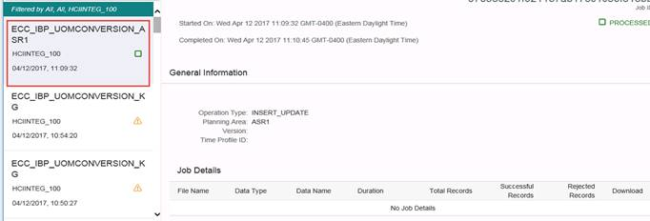

Thanks,

Krishnakumar S / Consultant
ksukumaran@intrigo.in / +91 95000 94151
Intrigo Systems India Pvt Ltd,
5F Kences Towers, # 1 Ramakrishna street, T Nagar, Chennai 600 017
+91 44 4212 3613
intrigosys.com

From: Shailesh Patel [mailto:Shailesh.Patel@floridacrystals.com]
Sent: 12 April 2017 07:15 PM
To: Krishnakumar S <ksukumaran@intrigo.in>
Subject: RE: HCI-IBP 7102 Migration Activity - Job Execution error..

Hello Krishna,

Could you please call me @561-366-5016..?

I need some clarification on two MD jobs.
Most jobs are working as expected. We need to resolve MD issue before we start executing Transactional jobs.

Regards,
Shailesh
From: Krishnakumar S [mailto:ksukumaran@intrigo.in]
Sent: Friday, March 31, 2017 1:29 PM
To: Shailesh Patel <Shailesh.Patel@floridacrystals.com>
Cc: Sadanand Mohankumar <smohankumar@intrigosys.com>; Susan Needham <Susan.Needham@asr-group.com>; Cesar DaCosta <Cesar.DaCosta@floridacrystals.com>
Subject: Re: HCI-IBP 7102 Migration Activity - Job Execution error..

Shailesh,

I see the Exchange rate and UOM conversion tables imported to HCI. Hope the issue is fixed now.

Thanks,
Krishna

On Fri, Mar 31, 2017 at 9:35 PM, Sadanand Mohankumar <smohankumar@intrigosys.com> wrote:
Hi Shailesh/Krishna,

The planning areas are active in the test system. Can you please validate the HCI jobs now.

Regards,

Sadanand Mohankumar
smohankumar@intrigosys.com / 214.546.1001
Intrigo Systems, Inc.
42808 Christy Street, #221 Fremont, CA 94538
800.440.2137
intrigosys.com

On Fri, Mar 31, 2017 at 8:51 AM, Sadanand Mohankumar <smohankumar@intrigosys.com> wrote:
All,

We are waiting for SAP to fix the issues with the Planning Area in test system. Once this is fixed, all the configuration changes made in the test system are to be transported to production as planned earlier.
So no configuration changes will be made directly in the new IBP 6 production system.

John,

The Planning Areas are activated in test, can you please give us an update if the data inconsistency is resolved and the plan to transport from test to production.

Regards,

Sadanand Mohankumar
smohankumar@intrigosys.com / 214.546.1001
Intrigo Systems, Inc.
42808 Christy Street, #221 Fremont, CA 94538
800.440.2137
intrigosys.com

On Thu, Mar 30, 2017 at 5:05 PM, Sadanand Mohankumar <smohankumar@intrigosys.com> wrote:
All,

Below is the latest update from SAP on this issue.

Dear Customer,

We have checked the issue and found that the resolution requires expertise.

The developer who handled this incident previously is the best person to handle this incident.

Due to the complexity of the issue, investigation might take some more time before we can provide the next update.

We would expect the next update to be available at EMEA time zone, so we'll retain the incident at SAP side so that involved expertise can work on this continuously.

You may feel free to call back via the number provided within note 560499 or directly update this incident if you have new concern or information.

Thanks and Best regards
Chloe Song
SAP Product Support

Digital Business Services

Regards,

Sadanand Mohankumar
smohankumar@intrigosys.com / 214.546.1001
Intrigo Systems, Inc.
42808 Christy Street, #221 Fremont, CA 94538
800.440.2137
intrigosys.com

On Thu, Mar 30, 2017 at 3:03 PM, Sadanand Mohankumar <smohankumar@intrigosys.com> wrote:
Hi Shailesh,

The error is due to inconsistent planning objects. SAP is suggesting to purge and reload the data. Can we proceed with this option. Please advise.

Regards,

Sadanand Mohankumar
smohankumar@intrigosys.com / 214.546.1001
Intrigo Systems, Inc.
42808 Christy Street, #221 Fremont, CA 94538
800.440.2137
intrigosys.com

On Thu, Mar 30, 2017 at 12:00 PM, Sadanand Mohankumar <smohankumar@intrigosys.com> wrote:
Hi Shailesh,

Planning area activation failed due to database procedure errors. Have raised an incident with SAP. Awaiting their response.

Regards,

Sadanand Mohankumar
smohankumar@intrigosys.com / 214.546.1001
Intrigo Systems, Inc.
42808 Christy Street, #221 Fremont, CA 94538
800.440.2137
intrigosys.com

On Thu, Mar 30, 2017 at 11:55 AM, Shailesh Patel <Shailesh.Patel@floridacrystals.com> wrote:
Hello Sadanand/Krishna,

Our ASR1 & ASR2 HCI Migration activity is on hold due to inactive planning area. I made several attempt to execute the job, but it fail without any error code.

Please let us know, once the planning are active and available.

Regards,
Shailesh

From: Sadanand Mohankumar [mailto:smohankumar@intrigosys.com]
Sent: Thursday, March 30, 2017 1:52 PM
To: Lopus, John <john.lopus@sap.com>
Cc: Walter Rodriguez <Walter.Rodriguez@asr-group.com>; Krishnakumar S <krishnaatintrigo@gmail.com>; Shailesh Patel <Shailesh.Patel@floridacrystals.com>; Susan Needham <Susan.Needham@asr-group.com>; Cesar DaCosta <Cesar.DaCosta@floridacrystals.com>; Jeff Boyer <jboyer@intrigosys.com>

Subject: Re: HCI-IBP 7102 Migration Activity - Job Execution error..

Hi John,

We tried reactivating the planning areas ASR1 and ASR2 including the related aster data. Activation failed with a database procedure error.
Have raised a ticket 152083 / 2017 Error in Planning Area activation. Can you please look into this issue.

Regards,

Sadanand Mohankumar
smohankumar@intrigosys.com / 214.546.1001

Intrigo Systems, Inc.
42808 Christy Street, #221 Fremont, CA 94538
800.440.2137
intrigosys.com

On Thu, Mar 30, 2017 at 10:00 AM, Walter Rodriguez <Walter.Rodriguez@asr-group.com> wrote:
Hello Sadanand,

You are free to work in the test system. Please proceed with the reactivation.

Thanks,
Walter

From: Sadanand Mohankumar [mailto:smohankumar@intrigosys.com]
Sent: Thursday, March 30, 2017 12:58 PM
To: Walter Rodriguez <Walter.Rodriguez@asr-group.com>
Cc: Krishnakumar S <krishnaatintrigo@gmail.com>; Shailesh Patel <Shailesh.Patel@floridacrystals.com>; Susan Needham <Susan.Needham@asr-group.com>; Cesar DaCosta <Cesar.DaCosta@floridacrystals.com>; Jeff Boyer <jboyer@intrigosys.com>

Subject: Re: HCI-IBP 7102 Migration Activity - Job Execution error..

Hi Walter,

Can we reactivate the planning areas or wait till the migration is complete?. Please advice.

Regards,

Sadanand Mohankumar
smohankumar@intrigosys.com / 214.546.1001

Intrigo Systems, Inc.
42808 Christy Street, #221 Fremont, CA 94538
800.440.2137
intrigosys.com

On Thu, Mar 30, 2017 at 9:51 AM, Krishnakumar S <krishnaatintrigo@gmail.com> wrote:
Sadanand,

Can you please reactivate the Planning Area's ASR1 and ASR2 with the Master data.

Thanks,
Krishna

On Thu, Mar 30, 2017 at 10:09 PM, Shailesh Patel <Shailesh.Patel@floridacrystals.com> wrote:
Hello Krishna,

We are working from HCI component side. I have not manually added or activated any IBP structure/table into new tenant.
We are using tables which were imported by Intrigo consultant to new datastore for all planning area from new tenant-1702. During migration activity, I noticed that these table are missing which are part of our production HCI job, so I tried to import and it failed.

I have no idea how these two table/structure landed to IBP-1702.

FYI: We were able to import the same for ASR3.

Regards,
Shailesh

How did these tables, Exchange rate and UOM Conversion added in to Planning Area. Are they manually added after copying the IBP old version to IBP6? Did you reactive the Planning area with Master data after adding these tables?

When I check these tables, they are showing assigned to Planning Area.

From: Krishnakumar S [mailto:krishnaatintrigo@gmail.com]
Sent: Thursday, March 30, 2017 11:50 AM
To: Sadanand Mohankumar <smohankumar@intrigosys.com>
Cc: Shailesh Patel <Shailesh.Patel@floridacrystals.com>; Susan Needham <Susan.Needham@asr-group.com>; Cesar DaCosta <Cesar.DaCosta@floridacrystals.com>; Jeff Boyer <jboyer@intrigosys.com>; Walter Rodriguez <Walter.Rodriguez@asr-group.com>
Subject: Re: HCI-IBP 7102 Migration Activity - Job Execution error..

Hi Shailesh/Sadanand,

How did these tables, Exchange rate and UOM Conversion added in to Planning Area. Are they manually added after copying the IBP old version to IBP6? Did you reactive the Planning area with Master data after adding these tables?

When I check these tables, they are showing assigned to Planning Area.
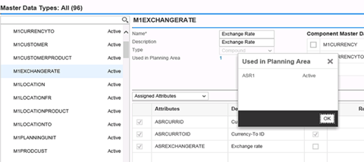

But they are not listed under Planning Area.
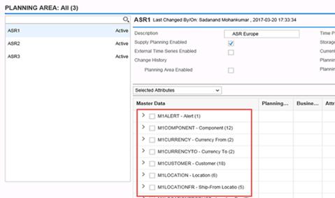

So I think we have to reactive the Planning Area with Master data to fix this issue. Let me know your thoughts.

Thanks,
Krishna

On Thu, Mar 30, 2017 at 8:39 PM, Sadanand Mohankumar <smohankumar@intrigosys.com> wrote:
Hi Krishna,

Yes, these tables are configured in the system.

Regards,

Sadanand Mohankumar
smohankumar@intrigosys.com / 214.546.1001

Intrigo Systems, Inc.
42808 Christy Street, #221 Fremont, CA 94538
800.440.2137
intrigosys.com

On Thu, Mar 30, 2017 at 8:34 AM, Krishna <ksukumaran@intrigo.in> wrote:
Shailesh,

I am also getting the same error while importing.

Sadanand, can you please check whether these tables are configure correctly in IBP.

Regards,

Krishnakumar S
Intrigo Systems India Pvt Ltd

----- Original Message -----
From: Shailesh Patel [mailto:Shailesh.Patel@floridacrystals.com]
To: Krishna ksukumaran@intrigo.in
Cc: Susan.Needham@asr-group.com, Cesar.DaCosta@floridacrystals.com
Sent: Thu, 30 Mar 2017 12:47:28 +0000
Subject: RE: HCI-IBP 7102 Migration Activity - Job Execution error..

Hello Krishna,

Could you please import following for ASR1..? Following error message populate when we try to import.

SOPMD_STAG_M1EXCHANGERATE
SOPMD_STAG_M1UOMCONVERSION

From: Krishna [mailto:ksukumaran@intrigo.in]
Sent: Thursday, March 30, 2017 5:15 AM
To: Shailesh Patel <Shailesh.Patel@floridacrystals.com>
Cc: Susan Needham <Susan.Needham@asr-group.com>; Cesar DaCosta <Cesar.DaCosta@floridacrystals.com>
Subject: RE: HCI-IBP 7102 Migration Activity - Job Execution error..

Shailesh,

It looks good to me. We can include the PDF details also in this Data Store and rename the Data Store as ECC.

Thanks,

Krishnakumar S / Consultant
ksukumaran@intrigo.in / +91 95000 94151
Intrigo Systems India Pvt Ltd,
5F Kences Towers, # 1 Ramakrishna street, T Nagar, Chennai 600 017
+91 44 4212 3613
intrigosys.com

From: Shailesh Patel [mailto:Shailesh.Patel@floridacrystals.com]
Sent: 29 March 2017 06:04 PM
To: Krishna <ksukumaran@intrigo.in>
Cc: Susan Needham <Susan.Needham@asr-group.com>; Cesar DaCosta <Cesar.DaCosta@floridacrystals.com>
Subject: RE: HCI-IBP 7102 Migration Activity - Job Execution error..

Hello Krishna,

I have created QDF system connection under ECC_DDF1 data store. Please validate and suggest your thought. Later, we will replace ECC_DDF1 as IBP_DEV

Regards,
Shailesh

From: Krishna [mailto:ksukumaran@intrigo.in]
Sent: Wednesday, March 29, 2017 7:51 AM
To: Shailesh Patel <Shailesh.Patel@floridacrystals.com>
Cc: Susan Needham <Susan.Needham@asr-group.com>; Cesar DaCosta <Cesar.DaCosta@floridacrystals.com>
Subject: RE: HCI-IBP 7102 Migration Activity - Job Execution error..

Hi Shailesh,

Just thought of sharing the best practice for Data Store creation.

As of now we have created 3 Data Stores separately for ECC System for Dev, QA and PRD. We can include these three systems in a single Data Store. Please see the following steps.

Select the Data Store and click on Configuration tab. Change the Default tab name to Dev since it shows Dev system details. There you can see a + button as highlighted below. Click on it and you can give the QA system details in that tab. Create one more tab for Production system. So we can have all our systems in a single Data store. One tab will be defaulted always and you can use the second button which is highlighted, to make a tab default. After making it default, please save the Data Store.

Once you created the necessary tabs, it will look like below.

So in Sandbox, you can default Dev or QA based on the testing environment and in Production, default the Production tab. And we can use this same method for other systems also like BW, Writeback, Flat file etc..

Please let me know if you have any questions.

Thanks,

Krishnakumar S / Consultant
ksukumaran@intrigo.in / +91 95000 94151
Intrigo Systems India Pvt Ltd,
5F Kences Towers, # 1 Ramakrishna street, T Nagar, Chennai 600 017
+91 44 4212 3613
intrigosys.com

From: Shailesh Patel [mailto:Shailesh.Patel@floridacrystals.com]
Sent: 28 March 2017 05:38 PM
To: Krishna <ksukumaran@intrigo.in>
Cc: Susan Needham <Susan.Needham@asr-group.com>; Cesar DaCosta <Cesar.DaCosta@floridacrystals.com>
Subject: RE: HCI-IBP 7102 Migration Activity - Job Execution error..

Hello Krishna,

Thanks for your help.

I did not miss any steps mention in the document. In fact, the job was working fine on last Thursday and failed on Friday. There were no activity (i.e. job migration or execution) on new tenant.

It really surprised me when you asked me to change the global variable.

Also, I don’t think the variable value will change during Import operation.

Regards,
Shailesh

From: Krishna [mailto:ksukumaran@intrigo.in]
Sent: Tuesday, March 28, 2017 5:57 AM
To: Shailesh Patel <Shailesh.Patel@floridacrystals.com>
Cc: Susan Needham <Susan.Needham@asr-group.com>; Cesar DaCosta <Cesar.DaCosta@floridacrystals.com>
Subject: RE: HCI-IBP 7102 Migration Activity - Job Execution error..

Hi Shailesh,

Please find the use of Time Profile below.

A time profile is made up of time profile levels (for example, weekly, monthly, quarterly, or yearly). Each level is made up of periods, which are identified by an integer and describe the start and end time of the time period in question.

So for old version of IBP, we were maintaining the same Time profile that was maintained in the Planning Area. But versions from IBP 6.1 to later, we have to maintain the Time Profile in HCI job as -1.

I replicated the Product01 job to new version and ran it and it worked fine. Did you miss any steps mentioned in the document which I have sent. Please check.

Thanks,

Krishnakumar S / Consultant
ksukumaran@intrigo.in / +91 95000 94151
Intrigo Systems India Pvt Ltd,
5F Kences Towers, # 1 Ramakrishna street, T Nagar, Chennai 600 017
+91 44 4212 3613
intrigosys.com

From: Shailesh Patel [mailto:Shailesh.Patel@floridacrystals.com]
Sent: 28 March 2017 01:16 AM
To: Krishna <ksukumaran@intrigo.in>
Cc: Susan Needham <Susan.Needham@asr-group.com>; Cesar DaCosta <Cesar.DaCosta@floridacrystals.com>
Subject: RE: HCI-IBP 7102 Migration Activity - Job Execution error..

Hello Krishna,

Thanks for your prompt response.

Job did executed, but has created more questions..?

1. What’s the role of ‘Time_Profile’ in job execution…?
2. What’s the correct/standard value for ‘Time_Profile’..?
3. Why I don’t see data log in IBP-1702 tenant…?

I have also sent an debug log to SAP for their review.

Please see below screen snap shot for your review.

Regards,
Shailesh

From: Krishna [mailto:ksukumaran@intrigo.in]
Sent: Monday, March 27, 2017 2:07 PM
To: Shailesh Patel <Shailesh.Patel@floridacrystals.com>
Cc: Susan Needham <Susan.Needham@asr-group.com>; Cesar DaCosta <Cesar.DaCosta@floridacrystals.com>
Subject: RE: HCI-IBP 7102 Migration Activity

Shailesh,
Can you change the Time profile in Execution Properties to -1 and try to run the job.
Thanks,
Krishna
On 27 Mar 2017, at 8:24 PM, Krishna <ksukumaran@intrigo.in> wrote:
Hi Shailesh,
I will look in to this and let you know.
Thanks,
Krishna
On 27 Mar 2017, at 8:16 PM, Shailesh Patel <Shailesh.Patel@floridacrystals.com> wrote:
Hello Krishna,

Since Friday, we are getting following error when we try to execute the imported job into new tenant.
Could you please help us to identify the cause of the error..?

We have checked the Source, Destination and all are configured correctly.

Regards,
Shailesh

From: Krishna [mailto:ksukumaran@intrigo.in]
Sent: Thursday, March 23, 2017 12:25 PM
To: Shailesh Patel <Shailesh.Patel@floridacrystals.com>
Cc: 'Sadanand Sakthivel Mohankumar' <smohankumar@intrigosys.com>; Susan Needham <Susan.Needham@asr-group.com>; 'Boyer, Jeff' <jboyer@intrigosys.com>; Cesar DaCosta <Cesar.DaCosta@floridacrystals.com>
Subject: RE: HCI-IBP 7102 Migration Activity

Hi Shailesh,

--
Thanks,
Krishna

--
Thanks,
Krishna

